DASHBOARD
Microsoft Financial Performance Dashboard
Data source 1/13/23: https://finance.yahoo.com/quote/MSFT?p=MSFT&.tsrc=fin-srch
Is Microsoft stock a good buy in January 2023? |  |  |  | What is the stock price forecast in 2023-2024 for MSFT?
MSFT Stock Price and Volume
 | Volume | Open | High | Low | Close
2/1/2018 | 725663300 | $94.79 | $96.07 | $83.83 | $93.77
3/1/2018 | 750754800 | $93.99 | $97.24 | $87.08 | $91.27
4/1/2018 | 668130700 | $90.47 | $97.90 | $87.51 | $93.52
5/1/2018 | 509417900 | $93.21 | $99.99 | $92.45 | $98.84
6/1/2018 | 602585200 | $99.28 | $102.69 | $97.26 | $98.61
7/1/2018 | 569352300 | $98.10 | $111.15 | $98.00 | $106.08
8/1/2018 | 456628100 | $106.03 | $112.78 | $104.84 | $112.33
9/1/2018 | 480255500 | $110.85 | $115.29 | $107.23 | $114.37
10/1/2018 | 927548000 | $114.75 | $116.18 | $100.11 | $106.81
11/1/2018 | 720228600 | $107.05 | $112.24 | $99.35 | $110.89
12/1/2018 | 944314600 | $113.00 | $113.42 | $93.96 | $101.57
1/1/2019 | 714212800 | $99.55 | $107.90 | $97.20 | $104.43
2/1/2019 | 469095900 | $103.78 | $113.24 | $102.35 | $112.03
3/1/2019 | 589095800 | $112.89 | $120.82 | $108.80 | $117.94
4/1/2019 | 433157700 | $118.95 | $131.37 | $118.10 | $130.60
5/1/2019 | 547218800 | $130.53 | $130.65 | $123.04 | $123.68
6/1/2019 | 508324300 | $123.85 | $138.40 | $119.01 | $133.96
7/1/2019 | 484079900 | $136.63 | $141.68 | $134.67 | $136.27
8/1/2019 | 584482000 | $137.00 | $140.94 | $130.78 | $137.86
9/1/2019 | 472544800 | $136.61 | $142.37 | $134.51 | $139.03
10/1/2019 | 549523400 | $139.66 | $145.67 | $133.22 | $143.37
11/1/2019 | 392371800 | $144.26 | $152.50 | $142.97 | $151.38
12/1/2019 | 450303300 | $151.81 | $159.55 | $146.65 | $157.70
1/1/2020 | 558530000 | $158.78 | $174.05 | $156.51 | $170.23
2/1/2020 | 887522300 | $170.43 | $190.70 | $152.00 | $162.01
3/1/2020 | 1612695500 | $165.31 | $175.00 | $132.52 | $157.71
4/1/2020 | 984705000 | $153.00 | $180.40 | $150.36 | $179.21
5/1/2020 | 688845000 | $175.80 | $187.51 | $173.80 | $183.25
6/1/2020 | 764965400 | $182.54 | $204.40 | $181.35 | $203.51
7/1/2020 | 770190800 | $203.14 | $216.38 | $197.51 | $205.01
8/1/2020 | 692423900 | $211.52 | $231.15 | $203.14 | $225.53
9/1/2020 | 768176300 | $225.51 | $232.86 | $196.25 | $210.33
10/1/2020 | 631618000 | $213.49 | $225.21 | $199.62 | $202.47
11/1/2020 | 573443000 | $204.29 | $228.12 | $200.12 | $214.07
12/1/2020 | 594761700 | $214.51 | $227.18 | $209.11 | $222.42
1/1/2021 | 648076400 | $222.53 | $242.64 | $211.94 | $231.96
2/1/2021 | 490962200 | $235.06 | $246.13 | $227.88 | $232.38
3/1/2021 | 724945800 | $235.90 | $241.05 | $224.26 | $235.77
4/1/2021 | 568661600 | $238.47 | $263.19 | $238.05 | $252.18
5/1/2021 | 495084900 | $253.40 | $254.35 | $238.07 | $249.68
6/1/2021 | 508572200 | $251.23 | $271.65 | $243.00 | $270.90
7/1/2021 | 522672700 | $269.61 | $290.15 | $269.60 | $284.91
8/1/2021 | 441308900 | $286.36 | $305.84 | $283.74 | $301.88
9/1/2021 | 502918700 | $302.87 | $305.32 | $281.62 | $281.92
10/1/2021 | 516515800 | $282.12 | $332.00 | $280.25 | $331.62
11/1/2021 | 509885200 | $331.36 | $349.67 | $326.37 | $330.59
12/1/2021 | 625674800 | $335.13 | $344.30 | $317.25 | $336.32
1/1/2022 | 947531400 | $335.35 | $338.00 | $276.05 | $310.98
2/1/2022 | 697050600 | $310.41 | $315.12 | $271.52 | $298.79
3/1/2022 | 734334200 | $296.40 | $315.95 | $270.00 | $308.31
...
MSFT Forecast Stock Price
 | Adj Close | Forecast( Adj Close ) | Lower Confidence Bound( Adj Close ) | Upper Confidence Bound( Adj Close )
 | $88.30
 | $86.35
 | $88.48
 | $93.52
 | $93.70
 | $100.80
 | $106.74
 | $109.10
 | $101.89
 | $105.78
 | $97.31
 | $100.05
 | $107.33
 | $113.47
 | $125.65
 | $118.99
 | $129.36
 | $131.59
 | $133.13
 | $134.70
 | $138.91
 | $146.67
 | $153.31
 | $165.49
 | $157.50
 | $153.74
 | $174.70
 | $178.64
 | $198.94
 | $200.41
 | $220.47
 | $206.11
 | $198.40
 | $209.77
 | $218.52
 | $227.90
 | $228.31
 | $232.17
 | $248.33
 | $245.87
 | $267.38
 | $281.21
 | $297.96
 | $278.79
 | $327.94
 | $326.92
 | $333.20
 | $308.09
 | $296.02
 | $306.08
...

 | 5 Year Metrics |  | Analyst Recommendations Jan 2023 |  | Statistics |  | Fundamentals
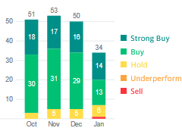
 | Attribute | Price/Gain |  |  | Statistic | Value | KPI | Value
 | 5 year high | $339.92 |  |  | Alpha | 0.667 | Current Close (1/13/23) | $239.23
 | 5 year low | $80.06 |  |  | Beta | 0.001 | Previous Close | $238.51
 | Current date | 2023-01-13 |  |  | Gamma | 2E-16 | Open | $237.00
 | Current close | $239.230 |  |  | MASE | 1.76 | 52 week range | 213.43-315.95
 | % decrease from 5 yr high | 29.6% |  |  | SMAPE | 0.06 | Volume | 21,333,265
 | 5 year price gain to current date | 188% |  |  | MAE | 16.17 | Avg Volume | 30,194,866
 |  |  |  |  | RMSE | 20.59 | Market Cap | 1.783T
 |  |  |  |  |  |  | Beta (5Y monthly) | 0.93
 |  |  |  |  |  |  | PE ratio (TTM) | 25.75

 |  |  |  |  |  |  | EPS (TTM) | 9.29
 |  |  |  |  |  |  | Forward Dividend/Yield | 2.72(1.14%)
 |  |  |  |  |  |  | Ex-Dividend Date | 15-Feb-23
 |  |  |  |  |  |  | 1 yr Target Est | $293.96

OTHER STATS
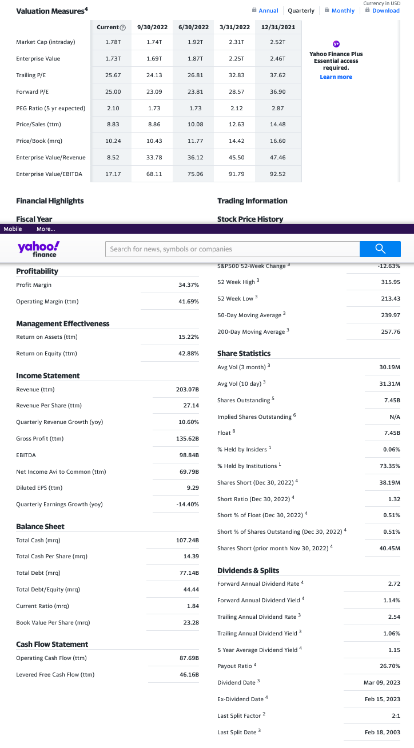
Last 4 quarters | Current | 09/30/22 | 06/30/22 | 03/31/22 | 12/31/21 |  | Last 4 years | TTM | 6/30/2022 | 6/30/2021 | 6/30/2020 | 6/30/2019
Market Cap ($T) | $1.78 | $1.74 | $1.92 | $2.31 | $2.52 |  | Total Revenue | $203,075,000 | $198,270,000 | $168,088,000 | $143,015,000 | $125,843,000
Forward P/E | 25.00 | 23.09 | 23.81 | 28.57 | 36.9 |  | Cost of Revenue | $64,456,000 | $62,650,000 | $52,232,000 | $46,078,000 | $42,910,000
 |  |  |  |  |  |  | Gross Profit | $138,619,000 | $135,620,000 | $115,856,000 | $96,937,000 | $82,933,000
Valuation Measures
 | Current | 2022-09-30 | 2022-06-30 | 2022-03-31 | 2021-12-31
Market Cap (intraday) | 1.78 | 1.74 | 1.92 | 2.31 | 2.52 | T
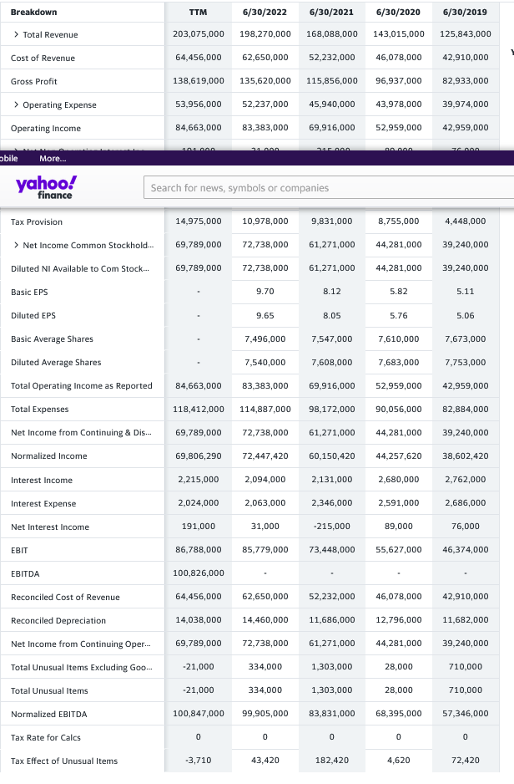
Enterprise value | 1.73 | 1.69 | 1.87 | 2.25 | 2.46 | T
Trailing P/E | 25.67 | 24.13 | 26.81 | 32.83 | 37.62
Forward P/E | 25.00 | 23.09 | 23.81 | 28.57 | 36.9
PEG ratio ( 5 yr expected) | 2.1 | 1.73 | 1.73 | 2.12 | 2.87
Price/Sales (ttm) | 8.83 | 8.86 | 10.08 | 12.63 | 14.48
Price/Book (mrq) | 10.24 | 10.43 | 11.77 | 14.42 | 16.6
Enterprise value/Revenue | 8.52 | 33.78 | 36.12 | 45.5 | 47.46
Enterprise value/EBITDA | 17.17 | 68.11 | 75.06 | 91.79 | 92.52

MSFT_2
Date | Dividends | Close | adjusted close | Close
2018-02-14 | 0.42 | $90.81 | 85.92 | 0.46%
2018-05-16 | 0.42 | $97.15 | 92.32 | 0.43%
2018-08-15 | 0.42 | $107.66 | 102.7 | 0.39% |  | So let's say 5 years ago you bought 1 share | 88.35 | 83.2
2018-11-14 | 0.46 | $104.97 | 100.56 | 0.44% |  | and you sold it 5 years later | 239.23 | 239.23
2019-02-20 | 0.46 | $107.15 | 103.09 | 0.43% |  | gain is | 150.88
2019-05-15 | 0.46 | $126.02 | 121.69 | 0.37% |  | plus you were paid out dividends (assume not reinvested) | 10.54
2019-08-14 | 0.46 | $133.98 | 129.81 | 0.34% |  |  | 161.42 | 156.03
2019-11-20 | 0.51 | $149.62 | 145.46 | 0.34%
2020-02-19 | 0.51 | $187.28 | 182.57 | 0.27%
2020-05-20 | 0.51 | $185.66 | 181.49 | 0.27%
2020-08-19 | 0.51 | $209.70 | 205.49 | 0.24%
2020-11-18 | 0.56 | $211.08 | 207.38 | 0.27%
2021-02-17 | 0.56 | $244.20 | 240.47 | 0.23%
2021-05-19 | 0.56 | $243.12 | 239.96 | 0.23%
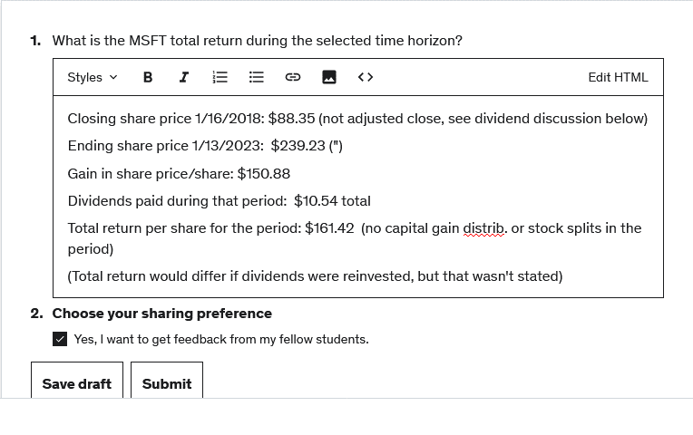
2021-08-18 | 0.56 | $290.73 | 287.51 | 0.19%
2021-11-17 | 0.62 | $339.12 | 335.97 | 0.18%
2022-02-16 | 0.62 | $299.50 | 297.33 | 0.21%
2022-05-18 | 0.62 | $254.08 | 252.83 | 0.24%
2022-08-17 | 0.62 | $291.32 | 290.5 | 0.21%
2022-11-16 | 0.68 | $241.73 | 241.73 | 0.28%

 | 10.54 |  |  | 1.21% | dividend percent per year
 |  |  |  | 6.04% | dividend percent all 5 years

